Instructions
Objective | Function | Time Period
Illustrate the cost of turnover, encouraging business to invest in current employees to increase retention | Quick calculation of the direct costs to replace employees Direct Costs = Vacancy Costs + Recruiting Costs + Onboarding Costs. | Annual

Step 1: What is the Hourly Wage?
What is the hourly wage? In the first lightly-shaded cell, or one wage level ($18 / hour) at a time, although some take an average wage of several roles. In the second cell, enter the hourly rate of the manager who oversees that employee. | 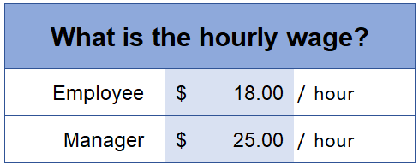

Step 2: How many days?
In the first lightly-shaded cell, enter the number of days it generally takes to replace an employee. Tip: Average days to hire frontline workers is 40. In the lightly-shaded cell below, enter the number of days it takes for new employees at this wage level to be fully productive. Tip: Employees in unskilled labor positions are generally considered to be fully productive after 30 to 60 days.
Step 3: How many employees (at this wage) leave annually?
In the lightly-shaded cell, enter the number of employees at this wage level who quit or are fired.

Step 4: Review the results with the business owner.

Direct Costs = Vacancy Costs + Recruiting Costs + Onboarding Costs
Vacancy Costs
Vacancy Costs assume the business paid overtime at a rate of 1.5% for 8 hours a day for the number of days it took to replace the employee. This is multiplied by the number of workers who leave annually.
Recruiting Costs
Recruiting Costs assume $150 for advertising (Costs range from $100 to $400 a month for traditional social media job posts.) + 3 hours of the manager's time to screen resumes + 10 hours of the manager's time to prepare for interviews, conduct interviews and follow-up after interviews + $60 for a background check. This is multiplied by the number of workers who leave annually

Onboarding Costs
Onboarding Costs assume 4 hours of the manager's time for prep and planning + 40 hours of the manager's time to on-board the new employee (including paperwork) + a 50% productivity rate for the number of days until the new employee is productive.

